Supply Lines
 |  |  |  |  |  |  |  | Insert Your Quantity
SLINE 031424 |  |  |  | 0.000
 | Alro Part # | SUPPLY LINES | List Price Per Piece | Multiplier | Net Price | Inner | Master | Qty | Subtotal (US $) | Product Line Total | $-
 |  | FAUCET CONNECTORS
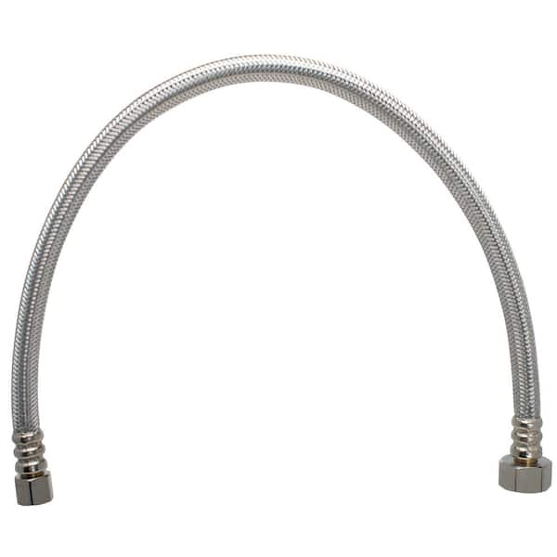
 | P13164 | 12" (3/8" COMP x 1/2" FEM) | $6.60 | 0.0000 | $- |  | 100 |  | $-
 | P13165 | 16" (3/8" COMP x 1/2" FEM) | $6.76 | 0.0000 | $- |  | 100 |  | $-
 | P13152 | 20" (3/8" COMP x 1/2" FEM) | $7.07 | 0.0000 | $- |  | 100 |  | $-
 | P13167 | 30" (3/8" COMP x 1/2" FEM) | $8.07 | 0.0000 | $- |  | 100 |  | $-
 | P13161 | 72" (3/8" COMP x 1/2" FEM) | $13.68 | 0.0000 | $- |  | 25 |  | $-
 |  | TOILET CONNECTORS
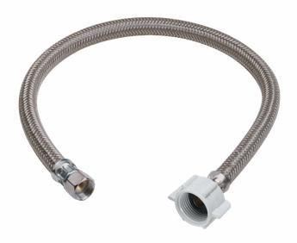
 | P13162 | 9" (3/8" COMP x 7/8" Ballcock) | $4.85 | 0.0000 | $- |  | 100 |  | $-
 | P13153 | 12" (3/8" COMP x 7/8" Ballcock) | $5.14 | 0.0000 | $- |  | 100 |  | $-
 | P13154 | 16" (3/8" COMP x 7/8" Ballcock) | $6.62 | 0.0000 | $- |  | 100 |  | $-
 | P13163 | 20" (3/8" COMP x 7/8" Ballcock) | $7.35 | 0.0000 | $- |  | 100 |  | $-
 |  | ICEMAKER CONNECTOR
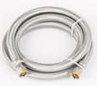
 | P13173 | 60" (1/4" COMP x 1/4" COMP) | $11.04 | 0.0000 | $- |  | 25 |  | $-
 | P13174 | 72" (1/4" COMP x 1/4" COMP) | $12.20 | 0.0000 | $- |  | 25 |  | $-
 | P13190 | 120" (1/4" COMP x 1/4" COMP) | $19.40 | 0.0000 | $- |  | 25 |  | $-
 | P13160 | 300" (1/4" COMP x 1/4" COMP) | $42.35 | 0.0000 | $- |  | 10 |  | $-
 |  | WASHING MACHINE CONNECTOR
 | P13176 | 48" (3/4" FIP x 3/4" FIP) | $18.05 | 0.0000 | $- |  | 20 |  | $-
 | P13177 | 60" (3/4" FIP x 3/4" FIP) | $22.10 | 0.0000 | $- |  | 20 |  | $-
 | P13178 | 72" (3/4" FIP x 3/4" FIP) | $22.79 | 0.0000 | $- |  | 20 |  | $-
 |  | DISHWASHER CONNECTOR WITH ELBOW
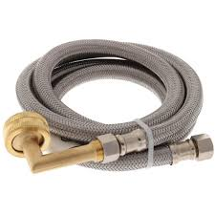
 | P13170 | 48" (3/8" COMP w/ Elbow x 3/8" COMP w/ 3/4" Elbow) | $20.41 | 0.0000 | $- |  | 25 |  | $-
 | P13155 | 60" (3/8" COMP w/ Elbow x 3/8" COMP w/ 3/4" Elbow) | $21.67 | 0.0000 | $- |  | 25 |  | $-
 | P13169 | 72" (3/8" COMP w/ Elbow x 3/8" COMP w/ 3/8" Elbow) | $23.99 | 0.0000 | $- |  | 25 |  | $-
 | P13172 | 84" (3/8" COMP w/ Elbow x 3/8" COMP w/ 3/4" Elbow) | $25.77 | 0.0000 | $- |  | 25 |  | $-
 |  | WATER HEATER CONNECTOR
 | P13175 | 18" Braided (3/4" FIP x 3/4" FIP) | $20.95 | 0.0000 | $- |  | 25 |  | $-

 | P13192 | 12" Braided (3/4" PUSH x 3/4" FIP) | $42.77 | 0.0000 | $- |  |  |  | $-

 | P13375 | 12" Braided (3/4" PUSH x 3/4" FIP) - Full Port | $46.79 | 0.0000 | $- |  |  |  | $-
 | P13376 | 18" Braided (3/4" PUSH x 3/4" FIP) - Full Port | $46.99 | 0.0000 | $- |  |  |  | $-
 | P13374 | 24" Braided (3/4" PUSH x 3/4" FIP) - Full Port | $51.26 | 0.0000 | $- |  |  |  | $-

 | P13191 | 18" Braided (3/4" Push Ball Valve x 3/4" FIP) - Full Port | $99.05 | 0.0000 | $- |  |  |  | $-

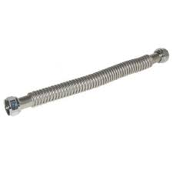
 | P13150 | 18" Corrugated (3/4" FIP x 3/4" FIP) | $19.99 | 0.0000 | $- |  | 25 |  | $-
 | P13157 | 24" Corrugated (3/4" FIP x 3/4" FIP) | $22.23 | 0.0000 | $- |  | 25 |  | $-

 | P13151 | 18" Corrugated (3/4" FIP x 3/4" PEX F1807) | $15.98 | 0.0000 | $- |  | 25 |  | $-
 | P13158 | 24" Corrugated (3/4" FIP x 3/4" PEX F1807) | $18.61 | 0.0000 | $- |  | 25 |  | $-

 | P13156 | 18" Corrugated (3/4" FIP x 3/4" PEX F1960) | $18.61 | 0.0000 | $- |  | 25 |  | $-
 | P13159 | 24" Corrugated (3/4" FIP x 3/4" PEX F1960) | $20.62 | 0.0000 | $- |  | 25 |  | $-

