Supply Lines
 |  |  |  |  |  |  |  | Insert Your Quantity
SL 080126 |  |  |  | 0.0000
 | Alro Part # | SUPPLY LINES | List Price Per Piece | Multiplier | Net Price | Inner | Master | Qty | Subtotal (US $) | Product Line Total | $-
 |  | FAUCET CONNECTORS
 | P13164 | 12" (3/8" COMP x 1/2" FEM) | $8.49 | 0.0000 | $- | 100 | 100 |  | $-
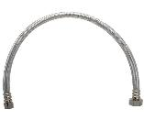
 | P13165 | 16" (3/8" COMP x 1/2" FEM) | $8.70 | 0.0000 | $- | 100 | 100 |  | $-
 | P13152 | 20" (3/8" COMP x 1/2" FEM) | $9.10 | 0.0000 | $- | 100 | 100 |  | $-
 | P13167 | 30" (3/8" COMP x 1/2" FEM) | $10.38 | 0.0000 | $- | 100 | 100 |  | $-
 | P13161 | 72" (3/8" COMP x 1/2" FEM) | $17.59 | 0.0000 | $- | 25 | 25 |  | $-
 |  |  |  | 0.0000 | $-
 | P13377 | 12" Delta (3/8 MIP COMP x 3/8 FIP COMP) | $11.79 | 0.0000 | $- | 100 | 100 |  | $-
 | P13378 | 20" Delta (3/8 MIP COMP x 3/8 FIP COMP) | $10.64 | 0.0000 | $- | 100 | 100 |  | $-
 |  | TOILET CONNECTORS |  | 0.000 | $-
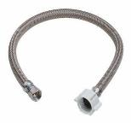
 | P13162 | 9" (3/8" COMP x 7/8" Ballcock) | $6.25 | 0.0000 | $- | 100 | 100 |  | $-
 | P13153 | 12" (3/8" COMP x 7/8" Ballcock) | $6.63 | 0.0000 | $- | 100 | 100 |  | $-
 | P13154 | 16" (3/8" COMP x 7/8" Ballcock) | $8.52 | 0.0000 | $- | 100 | 100 |  | $-
 | P13163 | 20" (3/8" COMP x 7/8" Ballcock) | $9.47 | 0.0000 | $- | 100 | 100 |  | $-
 |  | TOILET CONNECTORS (METAL NUT) |  | 0.000 | $-
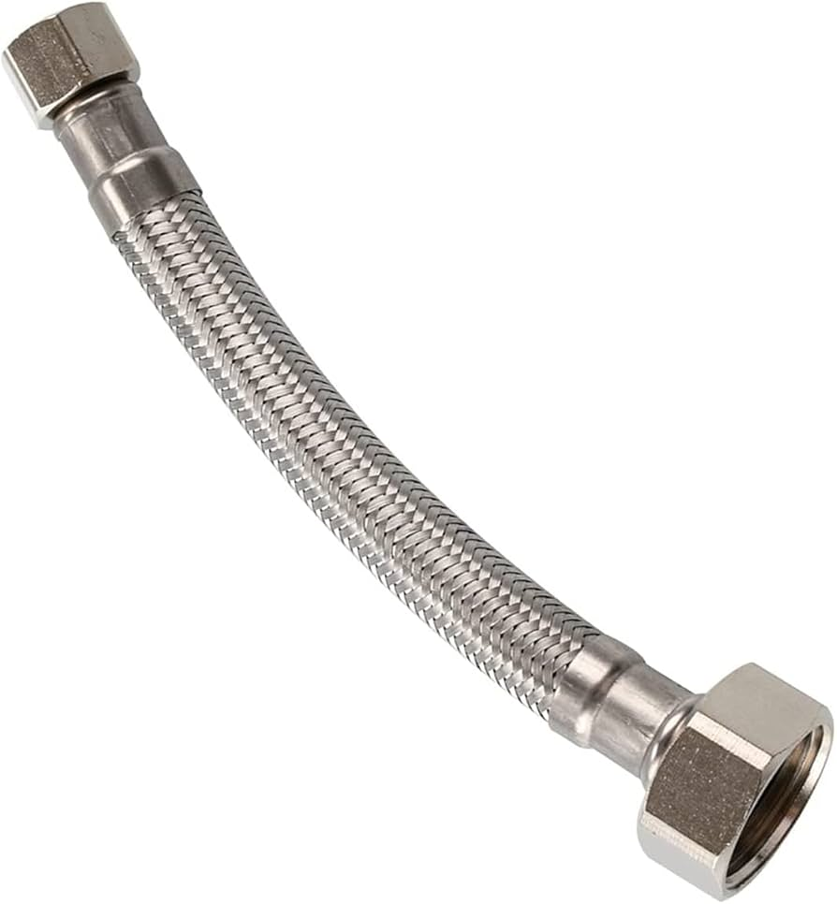
 | P13395 | 9" (3/8" COMP x 7/8" Ballcock) | $11.03 | 0.0000 | $- | 100 | 100 |  | $-
 | P13396 | 12" (3/8" COMP x 7/8" Ballcock) | $11.75 | 0.0000 | $- | 100 | 100 |  | $-
 | P13397 | 20" (3/8" COMP x 7/8" Ballcock) | $12.47 | 0.0000 | $- | 100 | 100 |  | $-
 | P13398 | 30" (3/8" COMP x 7/8" Ballcock) | $14.30 | 0.0000 | $- | 50 | 50 |  | $-
 |  | ICEMAKER CONNECTOR |  | 0.000 | $-
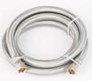
 | P13173 | 60" (1/4" COMP x 1/4" COMP) | $14.20 | 0.0000 | $- | 25 | 25 |  | $-
 | P13174 | 72" (1/4" COMP x 1/4" COMP) | $15.70 | 0.0000 | $- | 25 | 25 |  | $-
 | P13190 | 120" (1/4" COMP x 1/4" COMP) | $24.95 | 0.0000 | $- | 25 | 25 |  | $-
 | P13160 | 300" (1/4" COMP x 1/4" COMP) | $54.45 | 0.0000 | $- | 10 | 10 |  | $-
 |  | WASHING MACHINE CONNECTOR |  | 0.000 | $-
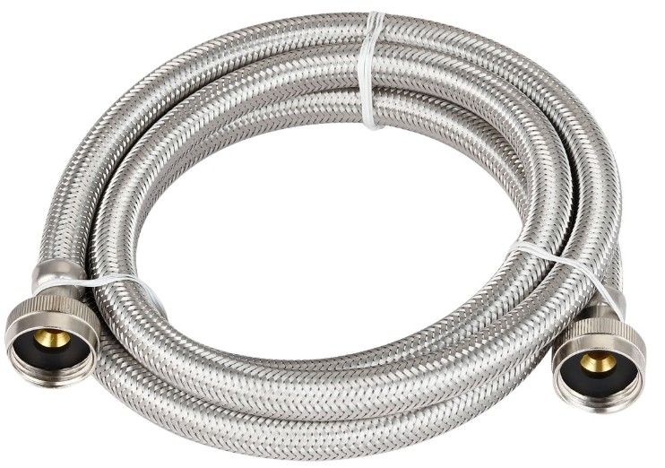
 | P13176 | 48" (3/4" FIP x 3/4" FIP) | $23.22 | 0.0000 | $- | 20 | 20 |  | $-
 | P13177 | 60" (3/4" FIP x 3/4" FIP) | $28.42 | 0.0000 | $- | 20 | 20 |  | $-
 | P13178 | 72" (3/4" FIP x 3/4" FIP) | $29.31 | 0.0000 | $- | 20 | 20 |  | $-
 |  | DISHWASHER CONNECTOR WITH ELBOW |  | 0.000 | $-
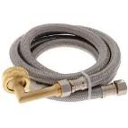
 | P13170 | 48" (3/8" COMP w/ Elbow x 3/8" COMP w/ 3/4" Elbow) | $26.25 | 0.0000 | $- | 25 | 25 |  | $-
 | P13155 | 60" (3/8" COMP w/ Elbow x 3/8" COMP w/ 3/4" Elbow) | $27.88 | 0.0000 | $- | 25 | 25 |  | $-
 | P13169 | 72" (3/8" COMP w/ Elbow x 3/8" COMP w/ 3/4" Elbow) | $30.85 | 0.0000 | $- | 25 | 25 |  | $-
 | P13172 | 84" (3/8" COMP w/ Elbow x 3/8" COMP w/ 3/4" Elbow) | $33.14 | 0.0000 | $- | 25 | 25 |  | $-
 |  | WATER HEATER CONNECTOR |  | 0.000 | $-
 | P13175 | 18" Braided (3/4" FIP x 3/4" FIP) | $26.94 | 0.0000 | $- | 25 | 25 |  | $-
 |  |  |  | 0.0000 | $-
 | P13192 | 12" Braided (3/4" PUSH x 3/4" FIP) | $54.97 | 0.0000 | $- | 25 | 25 |  | $-
 |  |  |  | 0.0000 | $-
 | P13375 | 12" Braided (3/4" PUSH x 3/4" FIP) - Full Port | $60.16 | 0.0000 | $- | 25 | 25 |  | $-
 | P13376 | 18" Braided (3/4" PUSH x 3/4" FIP) - Full Port | $60.40 | 0.0000 | $- | 25 | 25 |  | $-
 | P13374 | 24" Braided (3/4" PUSH x 3/4" FIP) - Full Port | $65.91 | 0.0000 | $- | 25 | 25 |  | $-
 |  |  |  | 0.0000 | $-
 | P13191 | 18" Braided (3/4" Push Ball Valve x 3/4" FIP) - Full Port | $127.31 | 0.0000 | $- | 25 | 25 |  | $-
 |  |  |  | 0.0000 | $-
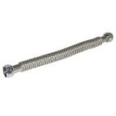
 | P13150 | 18" Corrugated (3/4" FIP x 3/4" FIP) | $25.70 | 0.0000 | $- | 25 | 25 |  | $-
 | P13157 | 24" Corrugated (3/4" FIP x 3/4" FIP) | $28.58 | 0.0000 | $- | 25 | 25 |  | $-
 |  |  |  | 0.0000 | $-
 | P13151 | 18" Corrugated (3/4" FIP x 3/4" PEX F1807) | $20.55 | 0.0000 | $- | 25 | 25 |  | $-
 | P13158 | 24" Corrugated (3/4" FIP x 3/4" PEX F1807) | $23.93 | 0.0000 | $- | 25 | 25 |  | $-
 |  |  |  | 0.0000 | $-
 | P13156 | 18" Corrugated (3/4" FIP x 3/4" PEX F1960) | $23.93 | 0.0000 | $- | 25 | 25 |  | $-
 | P13159 | 24" Corrugated (3/4" FIP x 3/4" PEX F1960) | $26.52 | 0.0000 | $- | 25 | 25 |  | $-

